Sheet1
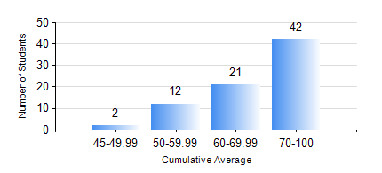
 |  |  | KWAME NKRUMAH UNIVERSITY OF SCIENCE AND TECHNOLOGY, KUMASI Department of Mechanical Engineering

 |  |  | BSC. AEROSPACE ENG., General Option

 |  |  | COMPREHENSIVE RECORD OF EXAMINATION RESULTS

 |  |  | RESULTS OF YEAR 2 SECOND SEMESTER, 2022/2023 ACADEMIC YEAR

 | Sn | Course Code |  | Course Name | Credit Hours | Min. Mark | Max. Mark | Avg. Mark | Std. Dev. | No. Passed | No. Trailed | No. (Df) | No. (I) | No. (I*) | No. Tagged(I,I*,Df) | Total
 | 0. |  |  |  |  |  |  | 0 | 0 | 0 | 0 | 0 | 0 | 0 | 0 | 4
 | 1. | AERO 256 |  | AEROSPACE STRUCTURES | 3 | 11 | 92 | 72 | 16.44 | 70 | 3 | 0 | 0 | 0 | 0 | 73
 | 2. | AERO 274 |  | AEROSPACE DESIGN PROJECT II | 2 | 26 | 88 | 74 | 11.14 | 72 | 1 | 0 | 0 | 0 | 0 | 73
 | 3. | ENGL 264 |  | LITERATURE IN ENGLISH II | 1 | 20 | 88 | 70 | 9.82 | 72 | 1 | 0 | 0 | 0 | 0 | 73
 | 4. | MATH 252 |  | CALCULUS WITH SEVERAL VARIABLES | 4 | 28 | 88 | 75 | 10.67 | 72 | 1 | 0 | 0 | 0 | 0 | 73
 | 5. | ME 258 |  | COMPUTER-AIDED DESIGN AND MODELLING | 3 | 29 | 91 | 73 | 13.11 | 71 | 2 | 0 | 0 | 0 | 0 | 73
 | 6. | ME 264 |  | MECHANISMS SYNTHESIS AND ANALYSIS | 3 | 25 | 90 | 63 | 12.84 | 71 | 2 | 0 | 0 | 0 | 0 | 73
 | 7. | ME 266 |  | THERMODYNAMICS | 2 | 26 | 89 | 58 | 15.4 | 70 | 2 | 0 | 1 | 0 | 1 | 73

